Wrapper
 | Pipeline Name | Load_Source_To_Raw

 |  | This pipeline loads all the relevant datasets from Sources like PIMS and Retail Advantage to Bronze Raw
 | Description

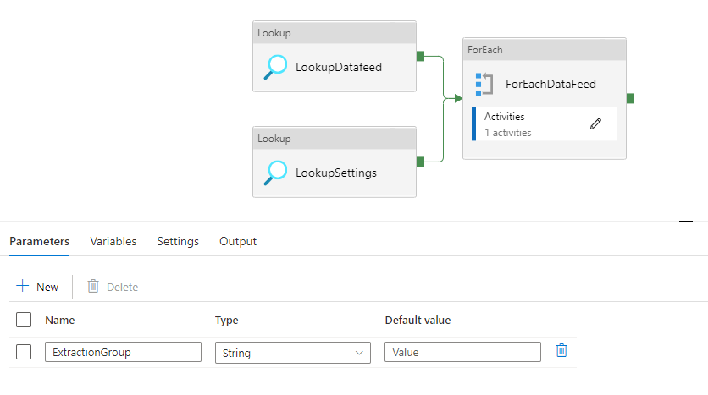

 |  |  |  |  | Parameters
 |  |  |  |  | ExtractionGroup | Enter the group of data that needs to be extracted. (Can be found in config.db_datafeed in sql)

 |  |  |  |  | Activities
 |  |  |  |  | LookupDatafeed | Looks up the datasets and their details including the storage paths from config.db_datafeed from sql for the extraction group provided
 |  |  |  |  | LookupSetting | Looks up the generic settings used across the environment to be passed to the pipeline like container names, api links etc from the config.db_settings table in SQL
 |  |  |  |  | ForEachFeed | Following child activities are executed for each row in the output of the LookupDatafeed Activity

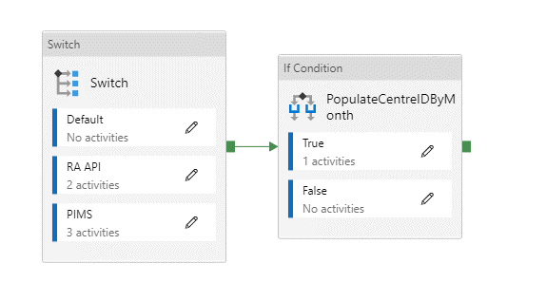

 |  |  |  |  | Activities

 |  |  |  |  | Switch | This activity checks the source of the data i.e. if it is from Retail Advantage or PIMS and passes to their specific activities further
 |  |  |  |  | PopulateCentreIDByMonth | This activity triggers a data flow everytime the dataset 'Centres' is loaded to raw. This is done to populate a list of centres and months to load sales by each combination.

Switch |  |  |  |  |  | PopulateCentreIDByMonth

 | RA API
 |  |  | Activities |  |  |  | Activities

 |  |  | CopyRetailAdvantageToRaw | This activity copies over data from retail advantage to bronze raw in a json format for the concerned dataset. The extraction of Footfall and sales can be governed to be incremental or historic here based on the History Load Flag in DataFeed |  | 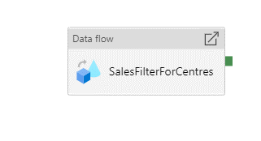 | SalesFilterForCentres | This activity runs the dataflowSalesFilterForCentres
 |  |  | UpdateLastUpdatedDate | This activity runs a stored procedure in sql GoldRelational to Update the last updated date for the concerned dataset in db_datafeed table

 | PIMS
 |  |  | Activities

 |  |  | CopyPIMSToRaw | This activity copies the concerned table from PIMS to Bronze Raw as a csv
 |  |  | CopyCSVToParquet | This activity copies the previous CSV to a parquet format. (To know more on why this is done, please look at design decisions)
 |  |  | UpdateLastUpdatedDate | This activity runs a stored procedure in sql GoldRelational to Update the last updated date for the concerned dataset in db_datafeed table

